Shortest Path (Example)
Dijkstra's Algorithm |  |  |  | Optimal Route
Iteration | Solution Set | Arcs | Total Cost | From node O to | Route | Total Distance
1 | O | O -> A | 25 | Node A | O -> A | 25
15
D
E
O
A
C
B
25
13
12
31
32
30
12
7
 |  | O -> B | 15 | Node B | O -> B | 15
 |  | O -> C | 13 | Node C | O -> C | 13
 |  |  |  | Node D | O -> B -> D | 47 | (15+32)
Iteration | Solution Set | Arcs | Total Cost | Node E | O -> B -> D -> E | 54 | (47+7)
2 | O | O -> A | 25
 | C (13) | O -> B | 15
 |  | C -> B | 25

Iteration | Solution Set | Arcs | Total Cost
3 | O | O -> A | 25
 | C (13) | B -> D | 47
 | B (15)

Iteration | Solution Set | Arcs | Total Cost
4 | O | A -> D | 55
 | C (13) | A -> E | 56
 | B (15) | B -> D | 47
 | A (25)

Iteration | Solution Set | Arcs | Total Cost
5 | O | D -> E | 54
 | C (13) | A -> E | 56
 | B (15)
 | A (25)
 | D (47)

Iteration | Solution Set | Arcs | Total Cost
6 | O
 | C (13)
 | B (15)
 | A (25)
 | D (47)
 | E (54)

Iteration | Solution Set | Arcs | Total Cost
7

Shortest Path (Activity 1)
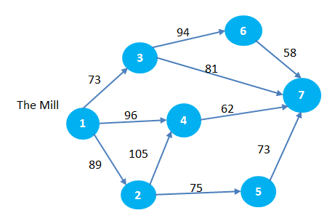
DC
66
Dijkstra's Algorithm |  |  |  | Optimal Route
Iteration | Solution Set | Arcs | Total Cost | From DC to | Route | Total Distance
1 | 1 | 1 -> 3 | 73 | City 2 | 1 -> 2 | 89
 |  | 1 -> 4 | 96 | City 3 | 1 -> 3 | 73
 |  | 1 -> 2 | 89 | City 4 | 1 -> 4 | 96
 |  |  |  | City 5 | 1 -> 4 -> 5 | 162
Iteration | Solution Set | Arcs | Total Cost | City 6 | 1 -> 3 -> 6 | 167
2 | 1 | 3 -> 6 | 167 | City 7 | 1 -> 3 -> 7 | 154
 | 3 (73) | 3 -> 7 | 154
 |  | 1 -> 2 | 89
 |  | 1 -> 4 | 96

Iteration | Solution Set | Arcs | Total Cost
3 | 1 | 2 -> 4 | 194
 | 3 (73) | 2 -> 5 | 164
 | 2 (89) | 3 -> 6 | 167
 |  | 3 -> 7 | 154
 |  | 1 -> 4 | 96

Iteration | Solution Set | Arcs | Total Cost
4 | 1 | 4 -> 7 | 158
 | 3 (73) | 4 -> 5 | 162
 | 2 (89) | 3 -> 6 | 167
 | 4 (96) | 3 -> 7 | 154
 |  | 2 -> 5 | 164

Iteration | Solution Set | Arcs | Total Cost
5 | 1 | 3 -> 6 | 167
 | 3 (73) | 2 -> 5 | 164
 | 2 (89) | 4 -> 5 | 162
 | 4 (96)
 | 7 (154)

Iteration | Solution Set | Arcs | Total Cost
6 | 1 | 3 -> 6 | 167
 | 3 (73)
 | 2 (89)
 | 4 (96)
 | 7 (154)
 | 5 (162)

Iteration | Solution Set | Arcs | Total Cost
7 | 1
 | 3 (73)
 | 2 (89)
 | 4 (96)
 | 7 (154)
 | 5 (162)
 | 6 (167)

Maximum Flow
Ford-Fulkerson's Algorithm
Step 1
Change each directed arc in the original network into an undirected arc. Arc capacity in the original direction remains the same; arc capacity in the opposite direction is set to be zero.

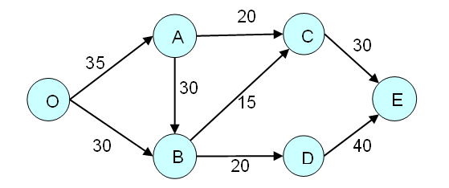

Add Path 1
Route | Flow Quantity | Route | Flow Quantity
O - A - C - E | 20 | O - A - C - E | 20
 |  | O - A - B - C - E | 10
 |  | O - A - B - D - E | 5
 |  | O - B - D - E | 15
 |  | Total | 50

Add Path 2
Route | Flow Quantity
O - A - B - C - E | 10

Add Path 3
Route | Flow Quantity
O - A - B - D - E | 5

Add path 4
Route | Flow Quantity
O - B - D - E | 15

